Sheet1
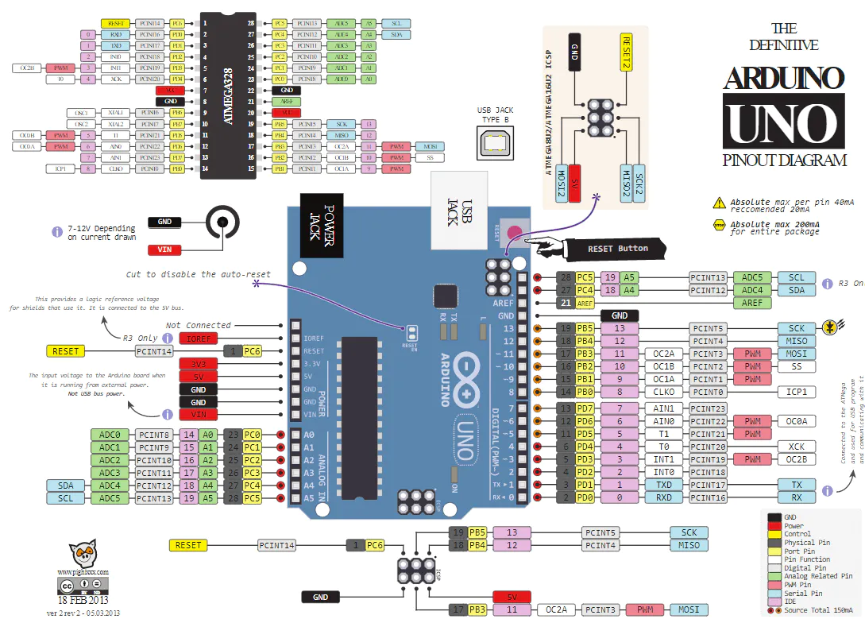
 | Port | Elegoo | New, no Ext I/O
D0 (RX) | D | Bluetooth | ESP-01 |  | Interrupt
D1 (TX) | D | Bluetooth | ESP-01 |  | PWM
D2 (INT0) | D | Line Follower 3 | Beam L |  | Bold = Can't move
D3 (~INT1) | D | Servo | Beam R
D4 | D | Line Follower 2 | Limit 1
D5 (~) | D | L298N ENA | L298N ENA
D6 (~) | D | L298N ENB | L298N ENB
D7 | D | L298N IN1 | L298N IN1
D8 | B | L298N IN2 | L298N IN2
D9 (~) | B | L298N IN3 | Servo
D10 (~) | B | Line Follower 1 | Cont servo
D11 (~) | B | L298N IN4 | L298N IN4
D12 | B | IR | L298N IN3
D13 | B | LED | LED

A0 | C | (free) | Line Follower 3
A1 | C | (free) | Line Follower 2
A2 | C | (free) | Line Follower 1
A3 | C | (free) | Limit 2
A4 (SDA) | C | Ultrasound E | Ultrasound E
A5 (SCL) | C | Ultrasound T | Ultrasound T

EXP P0 | Exp | (n/a) | (n/a) | Line Follower 3
EXP P1 | Exp | (n/a) | (n/a) | Line Follower 2
EXP P2 | Exp | (n/a) | (n/a) | Line Follower 1
EXP P3 | Exp | (n/a) | (n/a) | L298N IN1
EXP P4 | Exp | (n/a) | (n/a) | L298N IN2
EXP P5 | Exp | (n/a) | (n/a) | L298N IN3
EXP P6 | Exp | (n/a) | (n/a) | L298N IN4
EXP P7 | Exp | (n/a) | (n/a)

